Sheet1
DEFECT REPORT
Project : https://test.builderstorm.com/ Tester Name : Sachin Nair Test Environment : Windows 11- Chrome Date : 20/09/2025
Bug Id | Module Name | Bug Title | Severity | Priority | Steps to reproduce | Expected Result | Actual Result | Status | Assigned to | Attachments
1 | Login page | Name field is considering numbers, alpha numeric characters and emojis as valid input | major | medium | 1. open URL: https://test.builderstorm.com/ 2. Enter numbers / alpha numeric characters / emojis on the Preferred Name field 3. Click Save | Input should not be considered valid and a proper error message should be shown | Input is considered valid. | new | developer x | 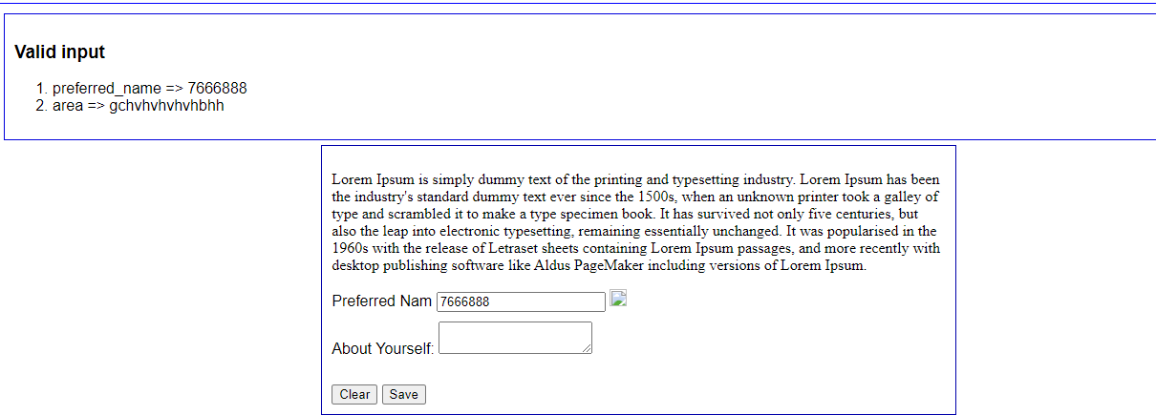
2 | Login page | Name field is allowing to type characters even after exceeding the character limit | major | medium | 1. open URL: https://test.builderstorm.com/ 2. Enter characters more than the character limit (56) on the Preferred Name field. 3. Click Save | Field should not allow to type characters more than its limit. | Field accepts unlimited input and skips exceeded characters on result. | new | developer x
3 | Login page | ‘Preferred Name’ field is considered as valid on Null input | major | medium | 1. open URL: https://test.builderstorm.com/ 2. Enter nothing on the Preferred Name field. | Input should not be considered valid and displayed a validation message. | Input is considered valid. | new | developer x
4 | Login page | The info image is not loading properly. | major | medium | 1. open URL: https://test.builderstorm.com/ 2. Observe the info image. | The info image should be loaded properly. | The info image is not loading properly. | new | developer x
5 | Login page | The message in the ‘Preferred Name’ field box is not properly visible | major | medium | 1. open URL: https://test.builderstorm.com/ 2. check the visibility of the message in the ‘Preferred Name’ field box. | The message should be visible and readable. | The message is not completely visible. | new | developer x | 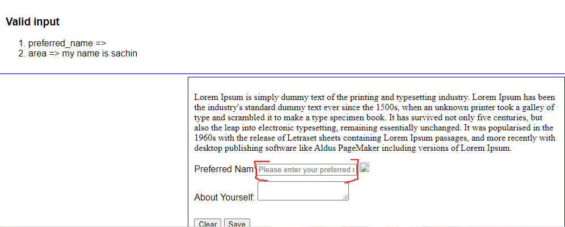
6 | Login page | The field name ‘Preferred Name’ is not completely visible | major | medium | 1. open URL: https://test.builderstorm.com/ 2. check the visibility of the field name. | The Field name should be complete and readable. | The field name is not complete. | new | developer x | 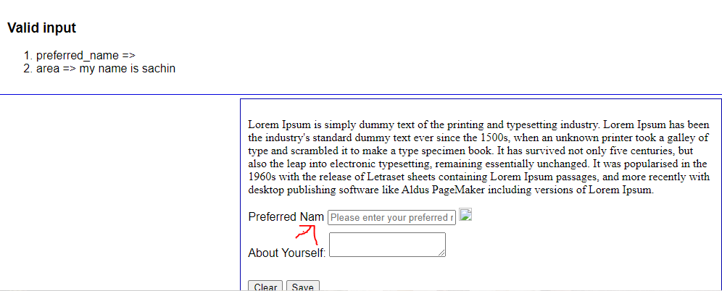
7 | Login page | The ‘About Yourself’ field is resizing and dragged out of box. | major | medium | 1. open URL: https://test.builderstorm.com/ 2. Drag the field from the bottom corner of ‘About Yourself’ | The Field sizes shouldn’t change on dragging, | The field is dragged and resized. | new | developer x | 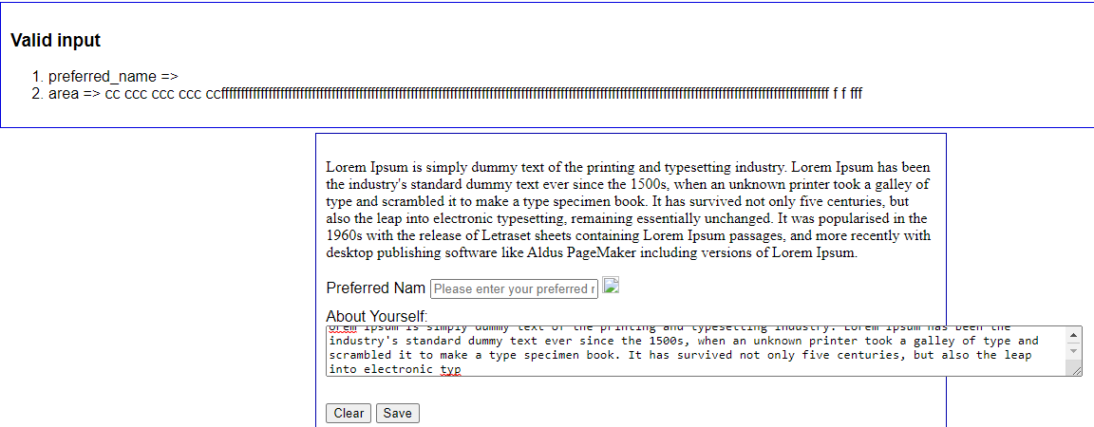
8 | Login page | The data entered on ‘About Yourself’ field clears on clicking save | major | medium | 1. open URL: https://test.builderstorm.com/ 2. Enter data on ‘About Yourself’ and click Save. | Data should be displayed on field after clicking save button. | Data entered on ‘About Yourself’ field cleared. | new | developer x
9 | Login page | The ‘clear’ button doesn’t work and act as ‘save’ button. | major | medium | 1. open URL: https://test.builderstorm.com/ 2. Enter data on ‘fields’ and click Clear. | Data should be cleared on clicking clear button. | Data is not cleared and considered as valid. | new | developer x
10 | Login page | The Field name ‘About Yourself’ is appearing as ‘Area’ on results. | major | medium | 1. open URL: https://test.builderstorm.com/ 2. Check the field name on valid/invalid input results. | The field name should be appeared same everywhere. | The field name is appearing different | new | developer x
11 | Login page | The Field name and values are appearing on URL and not following proper format. | major | medium | 1. open URL: https://test.builderstorm.com/ 2.Enter data on both ‘field’ and check URL | Field name and values should not appear on URL | Field name and values are appearing on URL | new | developer x | 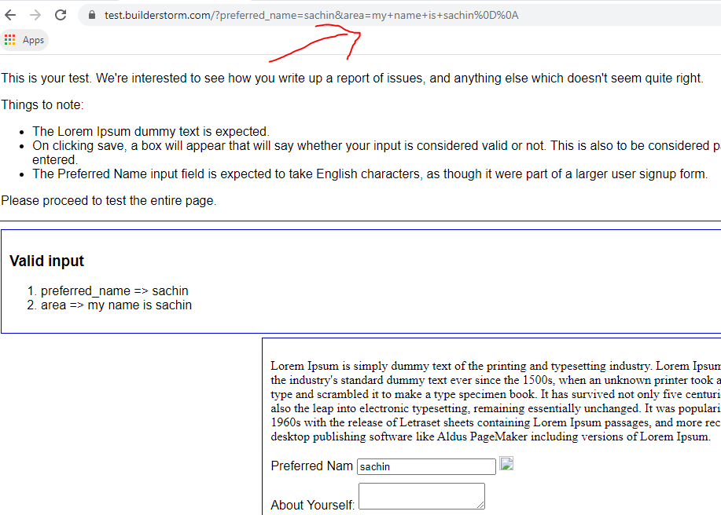
12 | Login page | The field border outline fails on Mobile devices if not clicked | major | medium | step 1: Access the URL on mobile devices and check field border outlines. | The field border outlines are broken. | Border outlines should be highlighted without fail. | new | developer x | 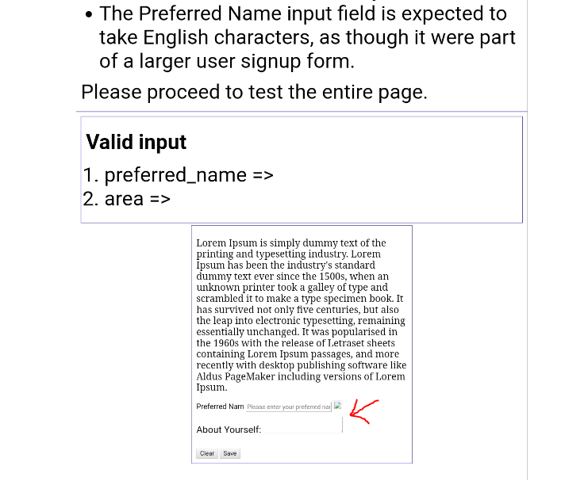
13 | Login page | The font size of the field names are different on mobile devices | major | medium | step 1: Access the URL on mobile devices and and check the font size of the field names. | The font size of the field names should be same and consistent. | Font size of the field names are different | new | developer x | 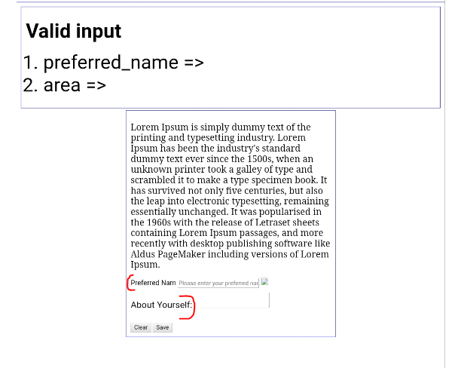
14 | logo | The company Logo on the page is not redirecting to home page | minor | medium | 1. open URL: https://test.builderstorm.com/ 2.Click on the logo | The logo should be redirected to home page on clicking. | Logo is not redirected to home page | new | developer x

